Provincial ranking
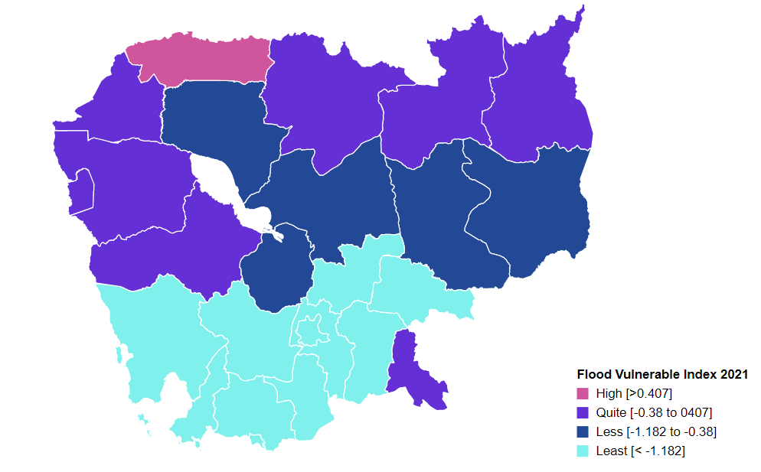
Vulnerability Index by province, 2021
Prepared by: | NCSD, MoE, Cambodia
Source: | CDB 2021
PROV_CODE | PROV_NAME | Storm VI | Rank | Flood VI | Rank | Drought VI | Rank | Composite VI | Rank
1 | Banteay Meanchey | -0.238 | 4 | 0.090 | 4 | -1.561 | 8 | 0.053 | 4
2 | Battambang | -0.235 | 2 | -0.166 | 7 | -1.586 | 10 | -0.114 | 7
3 | Kampong Cham | -0.269 | 10 | -1.340 | 15 | -1.552 | 7 | -1.241 | 15
4 | Kampong Chhnang | -0.256 | 7 | -1.087 | 14 | -1.634 | 11 | -1.031 | 13
5 | Kampong Speu | -0.287 | 14 | -3.178 | 23 | -3.398 | 23 | -3.131 | 23
6 | Kampong Thom | -0.260 | 8 | -0.712 | 12 | -1.783 | 12 | -0.698 | 12
7 | Kampot | -0.302 | 18 | -1.600 | 18 | -2.339 | 19 | -1.605 | 19
8 | Kandal | -0.299 | 16 | -2.167 | 22 | -2.066 | 16 | -2.158 | 22
9 | Koh Kong | -0.264 | 9 | -1.667 | 19 | -1.879 | 13 | -1.584 | 18
10 | Kracheh | -0.269 | 11 | -0.673 | 11 | -1.356 | 5 | -0.592 | 11
11 | Mondul Kiri | -0.286 | 13 | -1.005 | 13 | -2.439 | 21 | -1.184 | 14
12 | Phnom Penh | -0.551 | 25 | -3.836 | 25 | -4.153 | 25 | -3.802 | 25
13 | Preah Vihear | -0.236 | 3 | 0.207 | 3 | 0.055 | 1 | 0.274 | 2
14 | Prey Veng | -0.308 | 20 | -1.430 | 17 | -2.206 | 17 | -1.397 | 17
15 | Pursat | -0.231 | 1 | -0.301 | 9 | -1.499 | 6 | -0.347 | 9
16 | Ratanak Kiri | -0.292 | 15 | 0.302 | 2 | -0.842 | 3 | 0.123 | 3
17 | Siem Reap | -0.324 | 21 | -0.595 | 10 | -1.580 | 9 | -0.556 | 10
18 | Preah Sihanouk | -0.380 | 24 | -3.459 | 24 | -3.646 | 24 | -3.383 | 24
19 | Stung Treng | -0.242 | 5 | -0.174 | 8 | -0.693 | 2 | -0.154 | 8
20 | Svay Rieng | -0.368 | 23 | -0.026 | 5 | -2.057 | 15 | 0.024 | 5
21 | Takeo | -0.247 | 6 | -1.915 | 20 | -2.493 | 22 | -1.821 | 20
22 | Otdar Meanchey | -0.275 | 12 | 0.816 | 1 | -1.096 | 4 | 0.874 | 1
23 | Kep | -0.303 | 19 | -2.053 | 21 | -2.407 | 20 | -1.972 | 21
24 | Pailin | -0.354 | 22 | -0.126 | 6 | -2.290 | 18 | -0.041 | 6
25 | Tboung Khmum | -0.301 | 17 | -1.414 | 16 | -1.885 | 14 | -1.351 | 16

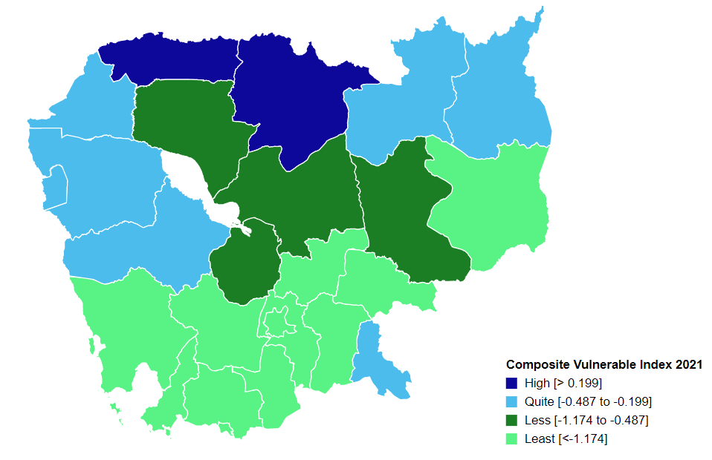
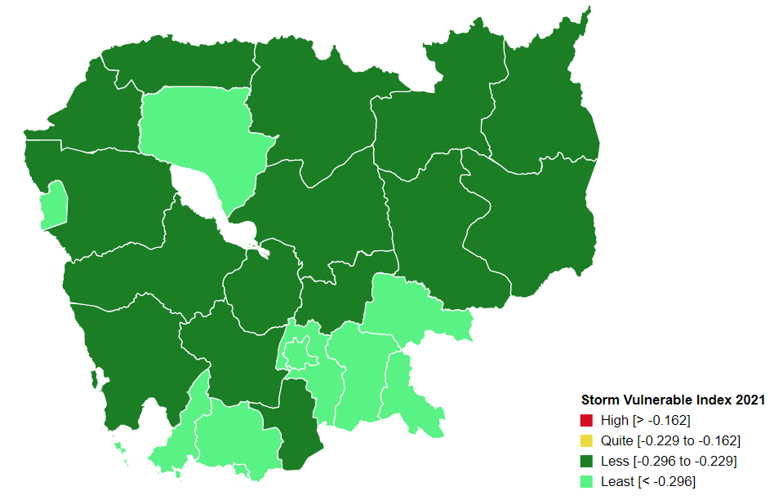
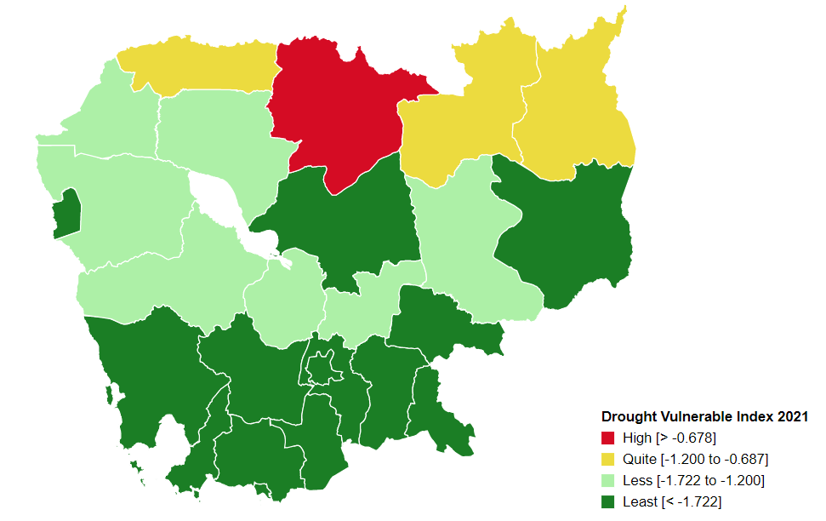

Percentage
Communes that are 'highly vulnerable' to climate hazards in each provinces, by hazard type
 | Hightly vunlerble |  |  |  | Quite Vulnerable
 | Storm | Flood | Drought |  | Storm | Flood | Drought
Banteay Meanchey | 3.08% | 35.38% | 15.38% | Banteay Meanchey | 38.46% | 33.85% | 30.77%
Battambang | 9.80% | 23.53% | 18.63% | Battambang | 43.14% | 35.29% | 22.55%
Kampong Cham | 2.75% | 1.83% | 5.50% | Kampong Cham | 21.10% | 12.84% | 21.10%
Kampong Chhnang | 11.43% | 2.86% | 15.71% | Kampong Chhnang | 17.14% | 30.00% | 22.86%
Kampong Speu | 1.15% | 2.30% | 4.60% | Kampong Speu | 6.90% | 1.15% | 1.15%
Kampong Thom | 7.41% | 17.28% | 11.11% | Kampong Thom | 18.52% | 29.63% | 27.16%
Kampot | 0.00% | 5.38% | 2.15% | Kampot | 13.98% | 5.38% | 6.45%
Kandal | 7.09% | 7.09% | 10.24% | Kandal | 11.81% | 5.51% | 2.36%
Koh Kong | 10.34% | 0.00% | 17.24% | Koh Kong | 10.34% | 13.79% | 17.24%
Kracheh | 4.26% | 8.51% | 34.04% | Kracheh | 19.15% | 46.81% | 23.40%
Mondul Kiri | 4.76% | 19.05% | 9.52% | Mondul Kiri | 14.29% | 14.29% | 23.81%
Phnom Penh | 0.00% | 0.95% | 0.00% | Phnom Penh | 0.00% | 0.00% | 0.00%
Preah Vihear | 5.88% | 41.18% | 56.86% | Preah Vihear | 39.22% | 31.37% | 19.61%
Prey Veng | 2.59% | 6.03% | 3.45% | Prey Veng | 12.07% | 6.90% | 11.21%
Pursat | 8.16% | 12.24% | 8.16% | Pursat | 42.86% | 30.61% | 38.78%
Ratanak Kiri | 0.00% | 16.00% | 50.00% | Ratanak Kiri | 10.00% | 44.00% | 22.00%
Siem Reap | 2.00% | 21.00% | 20.00% | Siem Reap | 7.00% | 19.00% | 29.00%
Preah Sihanouk | 0.00% | 0.00% | 6.90% | Preah Sihanouk | 3.45% | 3.45% | 0.00%
Stung Treng | 8.82% | 14.71% | 52.94% | Stung Treng | 32.35% | 55.88% | 26.47%
Communes that are 'quite vulnerable' to climate hazards in each provinces, by hazard type
Svay Rieng | 0.00% | 23.75% | 2.50% | Svay Rieng | 0.00% | 11.25% | 21.25%
Takeo | 13.00% | 3.00% | 5.00% | Takeo | 21.00% | 7.00% | 8.00%
Otdar Meanchey | 0.00% | 70.83% | 50.00% | Otdar Meanchey | 12.50% | 12.50% | 12.50%
Kep | 0.00% | 0.00% | 0.00% | Kep | 0.00% | 0.00% | 0.00%
Pailin | 0.00% | 50.00% | 0.00% | Pailin | 0.00% | 37.50% | 0.00%
Tboung Khmum | 1.56% | 6.25% | 6.25% | Tboung Khmum | 7.81% | 9.38% | 25.00%

Commune Ranking
Vulnerability Index by commune, 2021
Prepared by: | NCSD, MoE,Cambodia
Source: | CDB 2021
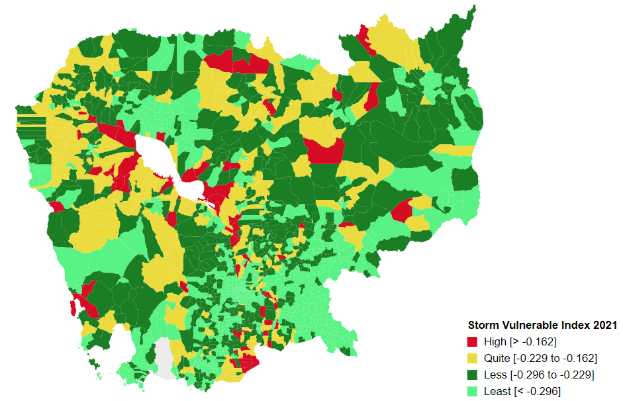
CommGis | Province | District | Commune | Storm VI | Rank | FLOOD VI | Rank | Drought VI | Rank | Composite VI | Rank
10901 | Banteay Meanchey | Malai | Boeng Beng | -0.27 | 641 | -0.45 | 524 | -3.69 | 1425 | -0.44 | 558
10902 | Banteay Meanchey | Malai | Malai | -0.27 | 686 | -0.76 | 653 | -2.18 | 992 | -0.68 | 650
10903 | Banteay Meanchey | Malai | Ou Sampoar | -0.24 | 416 | -0.09 | 362 | -2.59 | 1162 | 0.02 | 338
10904 | Banteay Meanchey | Malai | Ou Sralau | -0.27 | 654 | 0.08 | 298 | -1.92 | 869 | 0.13 | 300
10906 | Banteay Meanchey | Malai | Ta Kong | -0.18 | 110 | 1.06 | 129 | -0.64 | 203 | 1.13 | 120
10905 | Banteay Meanchey | Malai | Tuol Pongro | -0.21 | 243 | -3.64 | 1477 | -4.44 | 1514 | -3.51 | 1471
10201 | Banteay Meanchey | Mongkol Borei | Banteay Neang | -0.21 | 223 | 2.10 | 66 | -1.25 | 524 | 1.36 | 98
10202 | Banteay Meanchey | Mongkol Borei | Bat Trang | -0.16 | 79 | -0.17 | 398 | -0.91 | 330 | -0.03 | 360
10203 | Banteay Meanchey | Mongkol Borei | Chamnaom | -0.24 | 454 | -0.16 | 396 | -1.42 | 618 | -0.19 | 438
10204 | Banteay Meanchey | Mongkol Borei | Kouk Ballangk | -0.20 | 179 | 0.66 | 178 | -0.59 | 181 | 0.68 | 175
10205 | Banteay Meanchey | Mongkol Borei | Koy Maeng | -0.21 | 238 | -0.80 | 666 | -2.08 | 948 | -0.84 | 721
10206 | Banteay Meanchey | Mongkol Borei | Ou Prasat | -0.21 | 232 | -0.65 | 597 | -1.77 | 802 | -0.84 | 719
10207 | Banteay Meanchey | Mongkol Borei | Phnum Touch | -0.25 | 521 | -1.81 | 1062 | -2.93 | 1258 | -1.73 | 1059
10208 | Banteay Meanchey | Mongkol Borei | Rohat Tuek | -0.22 | 272 | -0.04 | 346 | -1.21 | 496 | -0.05 | 373
10209 | Banteay Meanchey | Mongkol Borei | Ruessei Kraok | -0.29 | 818 | -0.53 | 556 | -3.12 | 1311 | -1.04 | 800
10210 | Banteay Meanchey | Mongkol Borei | Sambuor | -0.15 | 56 | 0.17 | 262 | 1.41 | 25 | 0.29 | 241
10211 | Banteay Meanchey | Mongkol Borei | Soea | -0.22 | 267 | 0.39 | 210 | -0.62 | 197 | 0.51 | 199
10212 | Banteay Meanchey | Mongkol Borei | Srah Reang | -0.14 | 50 | 0.44 | 203 | -1.08 | 431 | 0.56 | 192
10213 | Banteay Meanchey | Mongkol Borei | Ta Lam | -0.17 | 80 | -0.04 | 345 | -0.70 | 235 | 0.08 | 318
10501 | Banteay Meanchey | Ou Chrov | Changha | -0.24 | 414 | 0.15 | 266 | 3.25 | 22 | 0.26 | 251
10502 | Banteay Meanchey | Ou Chrov | Koub | -0.26 | 612 | -0.55 | 566 | -1.38 | 594 | -0.44 | 551
10503 | Banteay Meanchey | Ou Chrov | Kuttasat | -0.30 | 940 | 0.39 | 212 | -1.39 | 600 | 0.48 | 201
10509 | Banteay Meanchey | Ou Chrov | Ou Bei Choan | -0.17 | 96 | -0.33 | 467 | -1.09 | 444 | -0.36 | 520
10505 | Banteay Meanchey | Ou Chrov | Samraong | -0.22 | 287 | -0.24 | 430 | -1.11 | 452 | -0.16 | 426
10507 | Banteay Meanchey | Ou Chrov | Soengh | -0.22 | 284 | 0.63 | 183 | -0.49 | 136 | 0.74 | 166
10506 | Banteay Meanchey | Ou Chrov | Souphi | -0.26 | 616 | 0.19 | 259 | -1.03 | 406 | 0.20 | 274
11001 | Banteay Meanchey | Paoy Paet | Nimitt | -0.21 | 233 | 2.12 | 64 | -1.70 | 768 | 1.90 | 59
11002 | Banteay Meanchey | Paoy Paet | Paoy Paet | -0.33 | 1177 | -1.84 | 1075 | -3.16 | 1325 | -2.27 | 1233
11003 | Banteay Meanchey | Paoy Paet | Phsar Kandal | -0.27 | 707 | -1.92 | 1100 | -2.07 | 943 | -1.88 | 1109
10301 | Banteay Meanchey | Phnum Srok | Nam Tau | -0.23 | 394 | 4.28 | 26 | -0.72 | 243 | 3.62 | 25
10306 | Banteay Meanchey | Phnum Srok | Phnum Dei | -0.24 | 410 | 0.75 | 162 | -1.95 | 893 | 0.87 | 144
10303 | Banteay Meanchey | Phnum Srok | Ponley | -0.23 | 335 | -2.04 | 1136 | -3.73 | 1433 | -1.98 | 1147
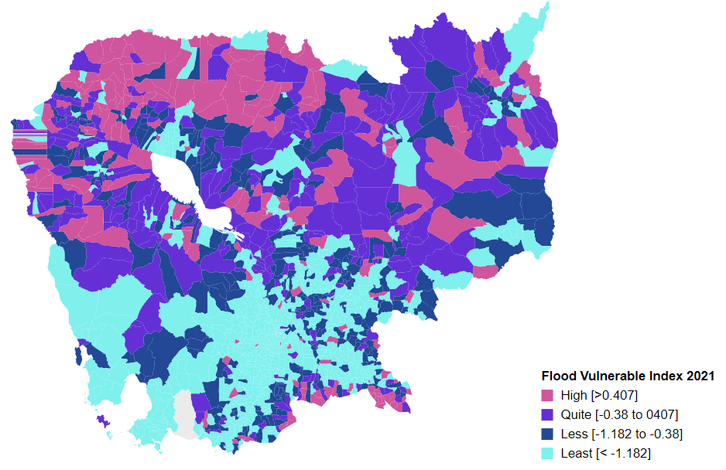
10302 | Banteay Meanchey | Phnum Srok | Poy Char | -0.24 | 411 | 2.40 | 54 | -0.51 | 148 | 2.53 | 38
10304 | Banteay Meanchey | Phnum Srok | Spean Sraeng | -0.19 | 138 | 1.48 | 93 | -0.54 | 163 | 1.49 | 86
10305 | Banteay Meanchey | Phnum Srok | Srah Chik | -0.23 | 334 | 5.42 | 20 | -2.00 | 910 | 4.26 | 18
10409 | Banteay Meanchey | Preah Netr Preah | Bos Sbov | -0.23 | 326 | 0.30 | 227 | -0.96 | 360 | 0.42 | 209
10401 | Banteay Meanchey | Preah Netr Preah | Chnuor Mean Chey | -0.26 | 601 | 3.69 | 35 | -2.00 | 909 | 2.56 | 37
10402 | Banteay Meanchey | Preah Netr Preah | Chob Veari | -0.27 | 661 | 0.76 | 161 | -1.34 | 570 | 0.57 | 190
10403 | Banteay Meanchey | Preah Netr Preah | Phnum Lieb | -0.24 | 460 | 0.43 | 204 | -1.15 | 468 | 0.57 | 189
10404 | Banteay Meanchey | Preah Netr Preah | Prasat | -0.25 | 531 | 0.46 | 202 | -0.99 | 379 | 0.60 | 185
10405 | Banteay Meanchey | Preah Netr Preah | Preah Netr Preah | -0.25 | 539 | -0.16 | 394 | -1.38 | 598 | -0.14 | 411
10406 | Banteay Meanchey | Preah Netr Preah | Rohal | -0.24 | 407 | 0.94 | 140 | -1.00 | 389 | 1.07 | 124
10407 | Banteay Meanchey | Preah Netr Preah | Tean Kam | -0.17 | 101 | 2.17 | 61 | -0.36 | 98 | 2.30 | 45
10408 | Banteay Meanchey | Preah Netr Preah | Tuek Chour | -0.20 | 193 | -0.63 | 590 | -1.64 | 735 | -0.49 | 570
10602 | Banteay Meanchey | Serei Saophoan | Kampong Svay | -0.32 | 1114 | -1.58 | 972 | -2.44 | 1096 | -1.63 | 1023
10603 | Banteay Meanchey | Serei Saophoan | Kaoh Pong Satv | -0.18 | 111 | -0.06 | 354 | -1.09 | 440 | 0.06 | 324
10604 | Banteay Meanchey | Serei Saophoan | Mkak | -0.26 | 596 | -0.99 | 752 | -2.02 | 919 | -0.85 | 728
10605 | Banteay Meanchey | Serei Saophoan | Ou Ambel | -0.34 | 1210 | -1.01 | 760 | -1.32 | 558 | -0.88 | 742
10606 | Banteay Meanchey | Serei Saophoan | Phniet | -0.30 | 927 | -0.39 | 499 | -1.27 | 532 | -0.31 | 500
10607 | Banteay Meanchey | Serei Saophoan | Preah Ponlea | -0.39 | 1421 | -1.01 | 762 | -1.16 | 472 | -0.87 | 737
10608 | Banteay Meanchey | Serei Saophoan | Tuek Thla | -0.27 | 703 | -0.30 | 449 | -1.26 | 530 | -0.18 | 431
10801 | Banteay Meanchey | Svay Chek | Phkoam | -0.25 | 551 | 0.39 | 209 | -0.97 | 368 | 0.46 | 204
10808 | Banteay Meanchey | Svay Chek | Roluos | -0.28 | 812 | -2.41 | 1252 | -4.26 | 1496 | -2.43 | 1270
10802 | Banteay Meanchey | Svay Chek | Sarongk | -0.27 | 660 | -0.08 | 357 | -1.03 | 408 | -0.11 | 400
10803 | Banteay Meanchey | Svay Chek | Sla Kram | -0.28 | 769 | 0.38 | 214 | -0.96 | 361 | 0.52 | 198
10804 | Banteay Meanchey | Svay Chek | Svay Chek | -0.19 | 136 | -0.88 | 707 | -2.27 | 1034 | -0.90 | 751
10805 | Banteay Meanchey | Svay Chek | Ta Baen | -0.19 | 169 | -0.32 | 463 | -0.98 | 369 | -0.33 | 509
10806 | Banteay Meanchey | Svay Chek | Ta Phou | -0.23 | 376 | 0.52 | 196 | -0.51 | 147 | 0.53 | 196
10807 | Banteay Meanchey | Svay Chek | Treas | -0.23 | 395 | 0.68 | 171 | -1.50 | 659 | 0.80 | 158
10701 | Banteay Meanchey | Thma Puok | Banteay Chhmar | -0.22 | 270 | 0.02 | 325 | -1.36 | 582 | 0.11 | 306
10705 | Banteay Meanchey | Thma Puok | Kouk Kakthen | -0.23 | 375 | 1.03 | 131 | -0.69 | 224 | 1.17 | 114
10702 | Banteay Meanchey | Thma Puok | Kouk Romiet | -0.18 | 115 | 0.86 | 148 | -0.90 | 327 | 0.97 | 135
10706 | Banteay Meanchey | Thma Puok | Kumru | -0.24 | 418 | -9.48 | 1641 | -10.90 | 1644 | -9.39 | 1641
10703 | Banteay Meanchey | Thma Puok | Phum Thmei | -0.28 | 774 | 0.83 | 154 | -0.78 | 271 | 0.98 | 134
10704 | Banteay Meanchey | Thma Puok | Thma Puok | -0.28 | 773 | 5.06 | 22 | -1.65 | 739 | 3.58 | 26
20507 | Battambang | Aek Phnum | Kaoh Chiveang | -0.02 | 6 | 3.95 | 32 | -0.05 | 47 | 2.57 | 36
20505 | Battambang | Aek Phnum | Peam Aek | -0.27 | 710 | -1.11 | 786 | -1.58 | 695 | -0.99 | 778
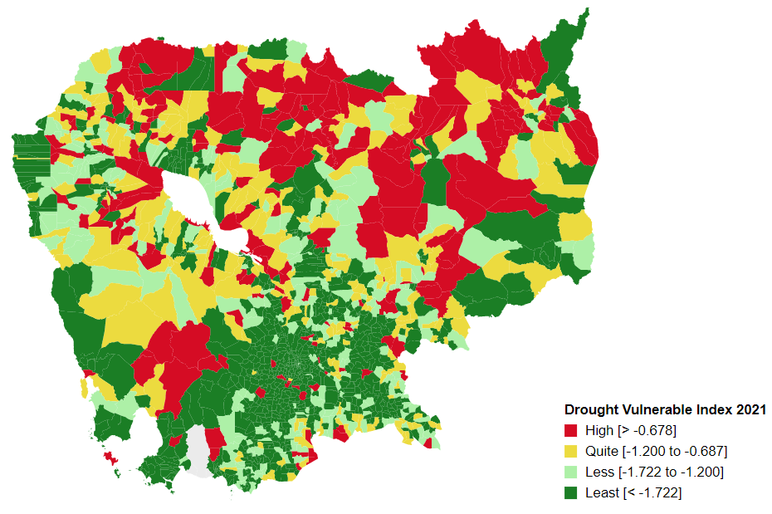
20503 | Battambang | Aek Phnum | Preaek Khpob | -0.25 | 547 | -0.74 | 640 | -0.93 | 347 | -0.62 | 627
20504 | Battambang | Aek Phnum | Preaek Luong | -0.17 | 90 | -0.83 | 676 | -1.26 | 526 | -0.86 | 735
20501 | Battambang | Aek Phnum | Preaek Norint | -0.28 | 779 | 0.58 | 188 | -1.60 | 702 | 0.07 | 320
20506 | Battambang | Aek Phnum | Prey Chas | -0.03 | 8 | -0.05 | 347 | 0.04 | 40 | -0.09 | 387
20502 | Battambang | Aek Phnum | Samraong Knong | -0.35 | 1276 | -0.98 | 751 | -1.21 | 501 | -0.84 | 720
20103 | Battambang | Banan | Bay Damram | -0.18 | 126 | 0.08 | 295 | -0.51 | 145 | 0.15 | 290
20105 | Battambang | Banan | Chaeng Mean Chey | -0.19 | 164 | 0.56 | 189 | -0.95 | 358 | 0.69 | 171
20104 | Battambang | Banan | Chheu Teal | -0.23 | 398 | -0.87 | 702 | -2.14 | 975 | -0.98 | 773
20101 | Battambang | Banan | Kantueu Muoy | -0.28 | 781 | 0.08 | 294 | -0.66 | 213 | 0.22 | 267
20102 | Battambang | Banan | Kantueu Pir | -0.25 | 476 | -1.38 | 891 | -2.03 | 923 | -1.26 | 880
20106 | Battambang | Banan | Phnum Sampov | -0.23 | 361 | -0.18 | 408 | -1.06 | 416 | -0.20 | 446
20107 | Battambang | Banan | Snoeng | -0.21 | 221 | 9.11 | 9 | -1.44 | 632 | 9.19 | 8
20108 | Battambang | Banan | Ta Kream | -0.22 | 307 | -1.11 | 785 | -2.05 | 931 | -0.97 | 771
20304 | Battambang | Battambang | Chamkar Samraong | -0.30 | 969 | -2.71 | 1311 | -2.95 | 1266 | -2.59 | 1307
20306 | Battambang | Battambang | Kdol Doun Teav | -0.31 | 1055 | -2.02 | 1128 | -2.18 | 994 | -1.87 | 1106
20309 | Battambang | Battambang | Ou Char | -0.35 | 1292 | -4.51 | 1556 | -4.72 | 1552 | -4.39 | 1553
20307 | Battambang | Battambang | Ou Mal | -0.24 | 452 | -0.78 | 658 | -1.72 | 775 | -0.70 | 659
20302 | Battambang | Battambang | Preaek Preah Sdach | -0.40 | 1458 | -1.56 | 961 | -1.55 | 684 | -1.42 | 947
20303 | Battambang | Battambang | Rotanak | -0.30 | 972 | -13.22 | 1646 | -13.38 | 1646 | -13.06 | 1646
20305 | Battambang | Battambang | Sla Kaet | -0.37 | 1367 | -3.79 | 1490 | -3.94 | 1466 | -3.64 | 1488
20310 | Battambang | Battambang | Svay Pao | -0.44 | 1495 | -0.81 | 669 | -0.77 | 260 | -0.65 | 642
20301 | Battambang | Battambang | Tuol Ta Aek | -0.45 | 1511 | -2.37 | 1243 | -2.49 | 1121 | -2.22 | 1222
20308 | Battambang | Battambang | Voat Kor | -0.34 | 1237 | -1.75 | 1036 | -2.31 | 1052 | -1.74 | 1065
20405 | Battambang | Bavel | Ampil Pram Daeum | -0.23 | 336 | -0.74 | 641 | -1.33 | 567 | -0.62 | 630
20401 | Battambang | Bavel | Bavel | -0.22 | 276 | -0.61 | 585 | -1.33 | 568 | -0.49 | 575
20408 | Battambang | Bavel | Boeung Pram | -0.19 | 159 | -0.15 | 389 | -0.61 | 187 | -0.05 | 371
20406 | Battambang | Bavel | Kdol Ta Haen | -0.17 | 106 | -0.50 | 543 | -1.29 | 545 | -0.44 | 550
20407 | Battambang | Bavel | Khlaeng Meas | -0.21 | 242 | -0.14 | 380 | -0.69 | 226 | -0.02 | 354
20402 | Battambang | Bavel | Khnach Romeas | -0.17 | 98 | -0.45 | 521 | -1.64 | 738 | -0.35 | 517
20403 | Battambang | Bavel | Lvea | -0.17 | 103 | 0.87 | 146 | -1.40 | 609 | 0.66 | 178
20404 | Battambang | Bavel | Prey Khpos | -0.18 | 129 | 0.27 | 235 | -0.73 | 246 | 0.39 | 220
21202 | Battambang | Kamrieng | Boeng Reang | -0.28 | 764 | -0.25 | 434 | -1.85 | 840 | -0.12 | 401
21201 | Battambang | Kamrieng | Kamrieng | -0.25 | 550 | 2.03 | 69 | -1.00 | 388 | 2.13 | 52
21203 | Battambang | Kamrieng | Ou Da | -0.25 | 497 | -0.05 | 350 | -2.34 | 1063 | 0.12 | 301
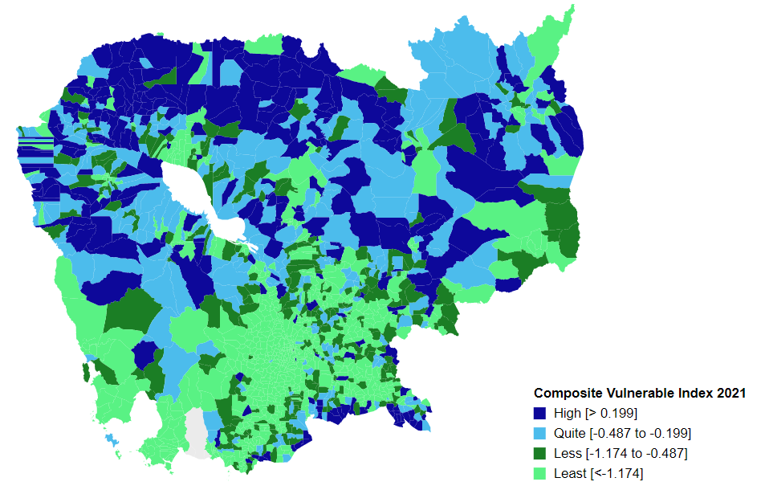
21206 | Battambang | Kamrieng | Ta Krei | -0.25 | 477 | 1.09 | 127 | -1.23 | 513 | 1.23 | 111
21205 | Battambang | Kamrieng | Ta Saen | -0.32 | 1084 | 1.87 | 73 | -1.85 | 838 | 2.00 | 56
21204 | Battambang | Kamrieng | Trang | -0.31 | 1058 | -2.10 | 1162 | -4.74 | 1554 | -1.97 | 1144
21306 | Battambang | Koas Krala | Chhnal Moan | -0.25 | 501 | 5.68 | 17 | -0.87 | 311 | 5.67 | 15
21305 | Battambang | Koas Krala | Doun Ba | -0.22 | 273 | 0.01 | 330 | -0.43 | 116 | 0.08 | 319
21303 | Battambang | Koas Krala | Hab | -0.21 | 256 | -0.05 | 351 | -0.31 | 88 | 0.09 | 317
21302 | Battambang | Koas Krala | Kaos Krala | -0.22 | 266 | -0.51 | 544 | -1.41 | 615 | -0.46 | 564
21304 | Battambang | Koas Krala | Preah Phos | -0.23 | 330 | -0.08 | 359 | -0.59 | 180 | 0.07 | 322
21301 | Battambang | Koas Krala | Thipakdei | -0.16 | 70 | -0.84 | 683 | -2.39 | 1080 | -0.80 | 704
20605 | Battambang | Moung Ruessei | Chrey | -0.14 | 51 | -0.23 | 424 | -0.88 | 320 | -0.10 | 389
20607 | Battambang | Moung Ruessei | Kakaoh | -0.16 | 69 | 0.11 | 282 | -0.58 | 176 | 0.13 | 298
20602 | Battambang | Moung Ruessei | Kear | -0.14 | 44 | -0.59 | 580 | -1.33 | 566 | -0.61 | 622
20601 | Battambang | Moung Ruessei | Moung | -0.19 | 162 | -1.12 | 792 | -1.40 | 610 | -1.05 | 805
20603 | Battambang | Moung Ruessei | Prey Svay | -0.15 | 53 | -0.33 | 475 | -1.11 | 451 | -0.24 | 463
20608 | Battambang | Moung Ruessei | Prey Touch | -0.18 | 128 | 0.26 | 242 | -0.97 | 366 | 0.33 | 234
20609 | Battambang | Moung Ruessei | Robas Mongkol | -0.20 | 205 | -0.09 | 363 | -0.53 | 158 | -0.07 | 381
20604 | Battambang | Moung Ruessei | Ruessei Krang | -0.15 | 54 | -0.03 | 339 | -0.69 | 227 | -0.02 | 357
20606 | Battambang | Moung Ruessei | Ta Loas | -0.17 | 94 | -0.40 | 506 | -0.76 | 255 | -0.28 | 487
21104 | Battambang | Phnum Proek | Barang Thleak | -0.23 | 324 | 1.66 | 81 | -3.68 | 1424 | 1.71 | 70
21103 | Battambang | Phnum Proek | Bour | -0.22 | 282 | 0.88 | 143 | -1.08 | 432 | 0.95 | 139
21105 | Battambang | Phnum Proek | Ou Rumduol | -0.24 | 433 | -0.40 | 507 | -3.40 | 1370 | -0.28 | 490
21102 | Battambang | Phnum Proek | Pech Chenda | -0.28 | 809 | 4.35 | 25 | -2.37 | 1074 | 3.50 | 28
21101 | Battambang | Phnum Proek | Phnum Proek | -0.26 | 632 | 3.34 | 40 | -1.88 | 856 | 3.46 | 29
20702 | Battambang | Rotonak Mondol | Andaeuk Haeb | -0.29 | 827 | 0.21 | 253 | -0.27 | 84 | 0.24 | 257
20703 | Battambang | Rotonak Mondol | Phlov Meas | -0.21 | 259 | -0.80 | 664 | -1.70 | 764 | -0.66 | 645
20705 | Battambang | Rotonak Mondol | Reaksmei Songha | -0.22 | 304 | 1.37 | 102 | -0.53 | 156 | 1.46 | 88
20701 | Battambang | Rotonak Mondol | Sdau | -0.33 | 1166 | 0.88 | 144 | -1.28 | 537 | 0.56 | 191
20704 | Battambang | Rotonak Mondol | Traeng | -0.20 | 208 | -0.14 | 376 | -1.71 | 770 | -0.04 | 369
21405 | Battambang | Rukh Kiri | Basak | -0.23 | 353 | 0.14 | 270 | -0.82 | 285 | 0.23 | 262
21403 | Battambang | Rukh Kiri | Mukh Reah | -0.25 | 475 | -0.16 | 395 | -0.65 | 208 | -0.05 | 374
21401 | Battambang | Rukh Kiri | Preaek Chik | -0.25 | 532 | -0.18 | 406 | -0.96 | 364 | -0.14 | 415
21402 | Battambang | Rukh Kiri | Prey Tralach | -0.19 | 135 | -0.04 | 344 | 8.30 | 10 | 0.04 | 333
21404 | Battambang | Rukh Kiri | Sdok Pravoek | -0.20 | 199 | 0.31 | 222 | -1.67 | 754 | -0.05 | 372
20902 | Battambang | Samlout | Kampong Lpov | -0.33 | 1167 | 1.16 | 115 | -1.44 | 631 | 1.28 | 104
20906 | Battambang | Samlout | Mean Chey | -0.23 | 340 | 0.63 | 182 | -0.92 | 340 | 0.77 | 163
20903 | Battambang | Samlout | Ou Samril | -0.23 | 374 | 0.27 | 237 | -1.66 | 749 | 0.41 | 214
20905 | Battambang | Samlout | Samlout | -0.33 | 1160 | -0.95 | 740 | -1.39 | 601 | -0.82 | 710
20904 | Battambang | Samlout | Sung | -0.24 | 458 | -0.03 | 342 | -0.99 | 381 | 0.10 | 311
20907 | Battambang | Samlout | Ta Sanh | -0.27 | 659 | 0.27 | 236 | -1.43 | 624 | 0.40 | 216
20901 | Battambang | Samlout | Ta Taok | -0.14 | 49 | -0.43 | 513 | -0.75 | 253 | -0.32 | 504
21002 | Battambang | Sampov Lun | Angkor Ban | -0.29 | 869 | 7.02 | 13 | -5.51 | 1585 | 7.12 | 10
21006 | Battambang | Sampov Lun | Chrey Seima | -0.18 | 119 | 0.64 | 181 | -2.06 | 940 | 0.77 | 164
21001 | Battambang | Sampov Lun | Sampov Lun | -0.30 | 913 | -2.08 | 1153 | -6.02 | 1601 | -1.95 | 1138
21004 | Battambang | Sampov Lun | Santepheap | -0.26 | 630 | -2.98 | 1373 | -4.40 | 1510 | -2.85 | 1367
21005 | Battambang | Sampov Lun | Serei Mean Chey | -0.22 | 291 | -0.11 | 369 | -3.33 | 1358 | -0.06 | 377
21003 | Battambang | Sampov Lun | Ta Sda | -0.28 | 732 | 0.41 | 205 | -4.47 | 1518 | 0.54 | 194
20801 | Battambang | Sangkae | Anlong Vil | -0.18 | 127 | -1.69 | 1020 | -1.98 | 906 | -1.57 | 1001
20805 | Battambang | Sangkae | Kampong Preah | -0.29 | 847 | 0.04 | 316 | -0.52 | 153 | 0.18 | 277
20806 | Battambang | Sangkae | Kampong Preang | -0.19 | 134 | 0.71 | 169 | 0.89 | 29 | 0.86 | 145
20802 | Battambang | Sangkae | Norea | -0.29 | 840 | -1.74 | 1030 | -2.12 | 960 | -1.58 | 1006
20808 | Battambang | Sangkae | Ou Dambang Muoy | -0.23 | 343 | 0.06 | 305 | -0.47 | 128 | -0.11 | 396
20809 | Battambang | Sangkae | Ou Dambang Pir | -0.30 | 980 | -0.99 | 756 | -1.23 | 512 | -0.87 | 736
20807 | Battambang | Sangkae | Reang Kesei | -0.17 | 89 | 0.47 | 199 | -0.12 | 56 | 0.60 | 186
20804 | Battambang | Sangkae | Roka | -0.19 | 146 | -0.34 | 480 | -0.92 | 338 | -0.22 | 455
20803 | Battambang | Sangkae | Ta Pon | -0.21 | 216 | 1.10 | 125 | -0.80 | 276 | 1.07 | 123
20810 | Battambang | Sangkae | Voat Ta Muem | -0.24 | 404 | -0.97 | 746 | -1.20 | 492 | -0.89 | 747
20205 | Battambang | Thma Koul | Anlong Run | -0.20 | 178 | 0.78 | 160 | -0.53 | 159 | 0.83 | 152
20209 | Battambang | Thma Koul | Bansay Traeng | -0.22 | 318 | -0.46 | 525 | -1.60 | 709 | -0.32 | 507
20207 | Battambang | Thma Koul | Boeng Pring | -0.26 | 569 | 0.02 | 326 | -1.52 | 673 | 0.18 | 279
20204 | Battambang | Thma Koul | Chrey | -0.22 | 292 | -1.54 | 952 | -2.33 | 1059 | -1.51 | 979
20206 | Battambang | Thma Koul | Chrouy Sdau | -0.22 | 265 | -0.33 | 474 | -1.34 | 576 | -0.20 | 445
20208 | Battambang | Thma Koul | Kouk Khmum | -0.15 | 60 | -0.90 | 715 | -1.73 | 783 | -0.85 | 729
20203 | Battambang | Thma Koul | Ou Ta Ki | -0.20 | 195 | -0.14 | 381 | -0.98 | 371 | 0.01 | 342
20210 | Battambang | Thma Koul | Rung Chrey | -0.18 | 120 | -0.22 | 419 | -1.26 | 527 | -0.19 | 437
20202 | Battambang | Thma Koul | Ta Meun | -0.19 | 158 | -1.25 | 850 | -2.09 | 952 | -1.16 | 842
20201 | Battambang | Thma Koul | Ta Pung | -0.27 | 650 | -1.29 | 861 | -2.12 | 961 | -1.17 | 846
30101 | Kampong Cham | Batheay | Batheay | -0.25 | 535 | -1.29 | 864 | -1.84 | 828 | -1.16 | 844
30102 | Kampong Cham | Batheay | Chbar Ampov | -0.32 | 1101 | -0.18 | 405 | -0.94 | 355 | -0.04 | 366
30103 | Kampong Cham | Batheay | Chealea | -0.15 | 52 | -2.10 | 1161 | -2.79 | 1220 | -2.00 | 1157
30104 | Kampong Cham | Batheay | Cheung Prey | -0.27 | 698 | -1.92 | 1098 | -2.47 | 1108 | -1.82 | 1089
30105 | Kampong Cham | Batheay | Me Pring | -0.21 | 215 | -0.29 | 446 | -0.87 | 313 | -0.16 | 425
30106 | Kampong Cham | Batheay | Ph'av | -0.42 | 1481 | -0.49 | 537 | -2.46 | 1105 | -0.86 | 733
30107 | Kampong Cham | Batheay | Sambour | -0.22 | 293 | -1.08 | 778 | -1.70 | 763 | -0.93 | 761
30108 | Kampong Cham | Batheay | Sandaek | -0.27 | 652 | -0.33 | 468 | -0.64 | 204 | -0.19 | 436
30109 | Kampong Cham | Batheay | Tang Krang | -0.35 | 1261 | -1.48 | 929 | -1.97 | 900 | -1.35 | 924
30110 | Kampong Cham | Batheay | Tang Krasang | -0.23 | 332 | -0.67 | 608 | -1.50 | 661 | -0.57 | 609
30111 | Kampong Cham | Batheay | Trab | -0.22 | 271 | -0.69 | 617 | -1.36 | 587 | -0.55 | 598
30112 | Kampong Cham | Batheay | Tumnob | -0.28 | 750 | -1.41 | 900 | -1.71 | 769 | -1.26 | 879
30201 | Kampong Cham | Chamkar Leu | Bos Khnor | -0.29 | 853 | -1.65 | 999 | -1.60 | 704 | -1.50 | 974
30202 | Kampong Cham | Chamkar Leu | Chamkar Andoung | -0.26 | 602 | -0.52 | 550 | -1.11 | 450 | -0.45 | 561
30203 | Kampong Cham | Chamkar Leu | Cheyyou | -0.34 | 1234 | -1.76 | 1038 | -2.28 | 1039 | -1.66 | 1036
30204 | Kampong Cham | Chamkar Leu | Lvea Leu | -0.31 | 1014 | -0.42 | 509 | -1.22 | 507 | -0.28 | 492
30205 | Kampong Cham | Chamkar Leu | Spueu | -0.31 | 1057 | -1.31 | 869 | -1.74 | 785 | -1.17 | 850
30206 | Kampong Cham | Chamkar Leu | Svay Teab | -0.28 | 727 | -2.49 | 1267 | -3.10 | 1305 | -2.42 | 1269
30207 | Kampong Cham | Chamkar Leu | Ta Ong | -0.29 | 890 | -1.36 | 883 | -2.08 | 950 | -1.24 | 872
30208 | Kampong Cham | Chamkar Leu | Ta Prok | -0.28 | 796 | -0.62 | 588 | -1.43 | 628 | -0.49 | 572
30301 | Kampong Cham | Cheung Prey | Khnor Dambang | -0.33 | 1178 | -2.08 | 1152 | -2.89 | 1246 | -1.95 | 1140
30302 | Kampong Cham | Cheung Prey | Kouk Rovieng | -0.21 | 222 | -0.59 | 579 | -1.17 | 479 | -0.47 | 566
30303 | Kampong Cham | Cheung Prey | Pdau Chum | -0.25 | 500 | -0.58 | 577 | -1.20 | 494 | -0.52 | 585
30304 | Kampong Cham | Cheung Prey | Prey Char | -0.24 | 408 | -1.77 | 1047 | -2.11 | 959 | -1.64 | 1026
30305 | Kampong Cham | Cheung Prey | Pring Chrum | -0.22 | 269 | -0.35 | 482 | -1.10 | 449 | -0.22 | 452
30306 | Kampong Cham | Cheung Prey | Sampong Chey | -0.22 | 295 | -2.32 | 1229 | -2.75 | 1208 | -2.21 | 1221
30307 | Kampong Cham | Cheung Prey | Sdaeung Chey | -0.26 | 586 | -0.85 | 689 | -1.48 | 650 | -0.71 | 663
30308 | Kampong Cham | Cheung Prey | Soutib | -0.27 | 646 | -3.72 | 1484 | -4.08 | 1480 | -3.57 | 1479
30309 | Kampong Cham | Cheung Prey | Sramar | -0.25 | 473 | -3.18 | 1407 | -3.51 | 1396 | -3.04 | 1401
30310 | Kampong Cham | Cheung Prey | Trapeang Kor | -0.29 | 883 | -2.04 | 1138 | -2.49 | 1122 | -1.90 | 1118
30501 | Kampong Cham | Kampong Cham | Boeng Kok | -0.42 | 1483 | -4.43 | 1545 | -4.39 | 1505 | -4.29 | 1541
30502 | Kampong Cham | Kampong Cham | Kampong Cham | -0.51 | 1549 | -1.85 | 1080 | -1.84 | 829 | -1.70 | 1052
30503 | Kampong Cham | Kampong Cham | Sambuor Meas | -0.36 | 1340 | -3.09 | 1396 | -3.17 | 1328 | -2.93 | 1384
30504 | Kampong Cham | Kampong Cham | Veal Vong | -0.46 | 1514 | -2.36 | 1237 | -2.31 | 1046 | -2.20 | 1218
30601 | Kampong Cham | Kampong Siem | Ampil | -0.37 | 1354 | -2.81 | 1344 | -3.00 | 1280 | -2.69 | 1334
30602 | Kampong Cham | Kampong Siem | Hanchey | -0.24 | 438 | -0.17 | 403 | -1.36 | 585 | -0.03 | 365
30605 | Kampong Cham | Kampong Siem | Kaoh Mitt | -0.26 | 609 | -1.14 | 804 | -1.45 | 636 | -1.00 | 780
...

